Ark1
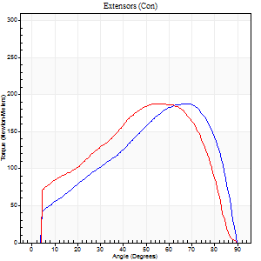
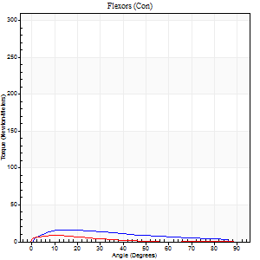
Use File, Preference to set Report Heading
Long Form Torque vs. Position Report - Knee Extension/Flexion
Name: |  |  |  | Deltager_10, | ID: | Deltager | Right/Left: | 23.09.2025 23.09.2025

Right Side Curves Left Side Curves
Isokinetic Con/Con |  |  |  | Extensors (Con) |  | Flexors (Con)
Speed 60/60 d/s 3 Reps |  |  |  | Value | Cof Var | %BW | Value | Cof Var | %BW | Ratio

TORQUE PARAMETERS
Peak Torque (Newton-Meters - Best Repetition)
Right |  |  |  | 187 | 0.03 | 292 | 16 | 0.27 | 27 | 9
Left |  |  |  | 187 | 0.02 | 292 | 8 | 0.33 | 12 | 4
Deficit |  |  |  | 0 |  |  | 50
Work per Repetition (Newton-Meters - Best Repetition)
Right |  |  |  | 183 | 0.02 | 286 | 15 | 0.13 | 24 | 8
Left |  |  |  | 209 | 0.05 | 325 | 8 | 0.61 | 12 | 4
Deficit |  |  |  | 12 |  |  | 45
Average Power per Repetition (Watts - Best Repetition)
Right |  |  |  | 116 | 0.03 | 180 | 9 | 0.15 | 13 | 8
Left |  |  |  | 133 | 0.05 | 207 | 5 | 0.74 | 9 | 4
Deficit |  |  |  | 13 |  |  | 44
POSITION PARAMETERS
Joint Angle at Peak Torque (Degrees)
Right |  |  |  | 67 | 0.01 |  | 27 | 0.42
Left |  |  |  | 56 | 0.01 |  | 14 | 0.54
Range of Motion (Degrees)
Right |  |  |  | 0 | 0 |  | 90 | 0
Left |  |  |  | 0 | 0 |  | 90 | 0
TIME PARAMETERS
Time to Peak Torque (Seconds)
Right |  |  |  | 0.38 | 0.04 |  | 0.54 | 0.43
Left |  |  |  | 0.59 | 0.02 |  | 0.36 | 0.33
Time Peak Torque Held (Seconds)
Right |  |  |  | 0.05 | 0.29 |  | 0.18 | 0.39
Left |  |  |  | 0.08 | 0.08 |  | 0 | 0
Force Decay Time (Seconds)
Right |  |  |  | 1.12 | 0.02 |  | 0.89 | 0.32
Left |  |  |  | 0.91 | 0.02 |  | 1.49 | 0.24
Reciprocal Delay (Seconds)
Right |  |  |  | 0.69 | 0.09 |  | 0.54 | 0.27
Left |  |  |  | 0.31 | 0.16 |  | 0.69 | 0.22
Delay Time (Seconds)
Right |  |  |  | 0 | 1.41 |  | -0.03 | -1.2
Left |  |  |  | 0 | 0 |  | -0.05 | -0.33
HUMAC2015® Version: 15.000.0074 © Computer Sports Medicine, Inc. www.csmisolutions.com

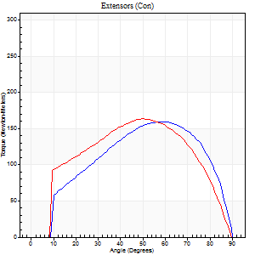
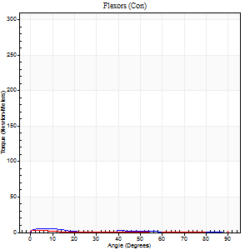
Use File, Preference to set Report Heading
Long Form Torque vs. Position Report - Knee Extension/Flexion
Name: |  |  |  | Deltager_10, | ID: | Deltager | Right/Left: | 23.09.2025 23.09.2025

Right Side Curves Left Side Curves
Isokinetic Con/Con |  |  |  | Extensors (Con) |  | Flexors (Con)
Speed 120/120 d/s 3 Reps |  |  |  | Value | Cof Var | %BW | Value | Cof Var | %BW | Ratio

TORQUE PARAMETERS
Peak Torque (Newton-Meters - Best Repetition)
Right |  |  |  | 159 | 0.01 | 247 | 5 | 0.24 | 9 | 3
Left |  |  |  | 163 | 0.02 | 253 | 5 | 0.16 | 9 | 3
Deficit |  |  |  | 3 |  |  | 0
Work per Repetition (Newton-Meters - Best Repetition)
Right |  |  |  | 165 | 0.01 | 259 | 3 | 0.27 | 3 | 2
Left |  |  |  | 172 | 0.01 | 268 | 1 | 0.23 | 3 | 1
Deficit |  |  |  | 4 |  |  | 50
Average Power per Repetition (Watts - Best Repetition)
Right |  |  |  | 190 | 0.02 | 297 | 1 | 0.27 | 2 | 1
Left |  |  |  | 197 | 0.01 | 308 | 1 | 0.27 | 2 | 1
Deficit |  |  |  | 4 |  |  | 0
POSITION PARAMETERS
Joint Angle at Peak Torque (Degrees)
Right |  |  |  | 57 | 0.04 |  | 5 | 0.31
Left |  |  |  | 51 | 0.04 |  | 34 | 1.46
Range of Motion (Degrees)
Right |  |  |  | 0 | 0.71 |  | 90 | 0
Left |  |  |  | 0 | -0.71 |  | 90 | 0
TIME PARAMETERS
Time to Peak Torque (Seconds)
Right |  |  |  | 0.3 | 0.09 |  | 0.19 | 0.22
Left |  |  |  | 0.38 | 0.02 |  | 0.79 | 1.21
Time Peak Torque Held (Seconds)
Right |  |  |  | 0.03 | 0.33 |  | 0.04 | 1.29
Left |  |  |  | 0.02 | 0 |  | 0.02 | 1.73
Force Decay Time (Seconds)
Right |  |  |  | 0.53 | 0.02 |  | 1.6 | 0.17
Left |  |  |  | 0.48 | 0.04 |  | 0.84 | 1.04
Reciprocal Delay (Seconds)
Right |  |  |  | 0.55 | 0.14 |  | 0.31 | 0.51
Left |  |  |  | 0.24 | 0.65 |  | 0.5 | 0.39
Delay Time (Seconds)
Right |  |  |  | 0 | -1.41 |  | -0.05 | -0.49
Left |  |  |  | -0.01 | -1.41 |  | -0.08 | -0.08
HUMAC2015® Version: 15.000.0074 © Computer Sports Medicine, Inc. www.csmisolutions.com

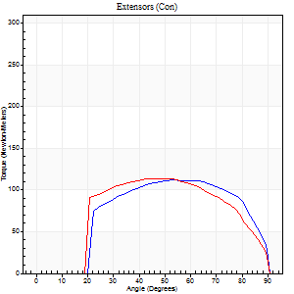
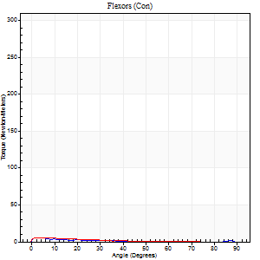
Use File, Preference to set Report Heading
Long Form Torque vs. Position Report - Knee Extension/Flexion
Name: |  |  |  | Deltager_10, | ID: | Deltager | Right/Left: | 23.09.2025 23.09.2025

Right Side Curves Left Side Curves
Isokinetic Con/Con |  |  |  | Extensors (Con) |  | Flexors (Con)
Speed 240/240 d/s 3 Reps |  |  |  | Value | Cof Var | %BW | Value | Cof Var | %BW | Ratio

TORQUE PARAMETERS
Peak Torque (Newton-Meters - Best Repetition)
Right |  |  |  | 111 | 0.02 | 173 | 5 | 0.36 | 9 | 5
Left |  |  |  | 114 | 0.02 | 179 | 5 | 0.28 | 9 | 5
Deficit |  |  |  | 2 |  |  | 0
Work per Repetition (Newton-Meters - Best Repetition)
Right |  |  |  | 114 | 0.03 | 179 | 1 | 0.24 | 3 | 1
Left |  |  |  | 115 | 0.03 | 179 | 3 | 0.39 | 3 | 2
Deficit |  |  |  | 1 |  |  | 50
Average Power per Repetition (Watts - Best Repetition)
Right |  |  |  | 204 | 0.02 | 319 | 1 | 0.39 | 2 | 0
Left |  |  |  | 202 | 0.02 | 314 | 3 | 0.76 | 4 | 1
Deficit |  |  |  | 1 |  |  | 67
POSITION PARAMETERS
Joint Angle at Peak Torque (Degrees)
Right |  |  |  | 53 | 0.01 |  | 2 | 0.15
Left |  |  |  | 47 | 0.03 |  | 2 | 0.04
Range of Motion (Degrees)
Right |  |  |  | 0 | 0 |  | 90 | 0
Left |  |  |  | 0 | -0.28 |  | 90 | 0
TIME PARAMETERS
Time to Peak Torque (Seconds)
Right |  |  |  | 0.22 | 0 |  | 0.17 | 0.07
Left |  |  |  | 0.26 | 0.05 |  | 0.16 | 0.1
Time Peak Torque Held (Seconds)
Right |  |  |  | 0.01 | 0 |  | 0.03 | 1.73
Left |  |  |  | 0.02 | 0.35 |  | 0.04 | 1.29
Force Decay Time (Seconds)
Right |  |  |  | 0.32 | 0.02 |  | 1.58 | 0.18
Left |  |  |  | 0.28 | 0.02 |  | 1.18 | 0.36
Reciprocal Delay (Seconds)
Right |  |  |  | 0.89 | 0.06 |  | 0.59 | 0.24
Left |  |  |  | 0.61 | 0.19 |  | 0.47 | 0.18
Delay Time (Seconds)
Right |  |  |  | -0.02 | 0 |  | -0.09 | -0.06
Left |  |  |  | -0.02 | -0.28 |  | -0.06 | -0.1
HUMAC2015® Version: 15.000.0074 © Computer Sports Medicine, Inc. www.csmisolutions.com

Use File, Preference to set Report Heading
Isometric - Knee Extension/Flexion
Name: |  |  |  | Deltager_10, | ID: | Deltager | Right/Left: | 23.09.2025 23.09.2025

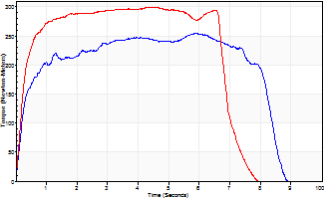
Isometric Extensors (Con) Angle 60 Time 10 Repetition 2 (Best Repetition)
 | Value | Cof Var | %BW
Peak Torque (Newton-Meters)
Right | 255 | 0.37 | 396
Left | 300 | 0.01 | 468
Deficit | 15
Average Torque (Newton-Meters)
Right | 186 | 0.58 | 289
Left | 194 | 0.15 | 301
Deficit | 4
Peak Torque Slope (Newton-Meters/Seconds)
Right | 43 | 0.08 | 67
Left | 84 | 0.16 | 131 |  | Right Side Curves Left Side Curves
Deficit | 49
Time to Half Peak Torque (Seconds)
Right | 0.23 | 0.15
Left | 0.22 | 0.06
Time to Peak Torque (Seconds)
Right | 4.9 | 0.29
Left | 3.97 | 0.17
HUMAC2015® Version: 15.000.0074 © Computer Sports Medicine, Inc. www.csmisolutions.com

